Product Development Plan
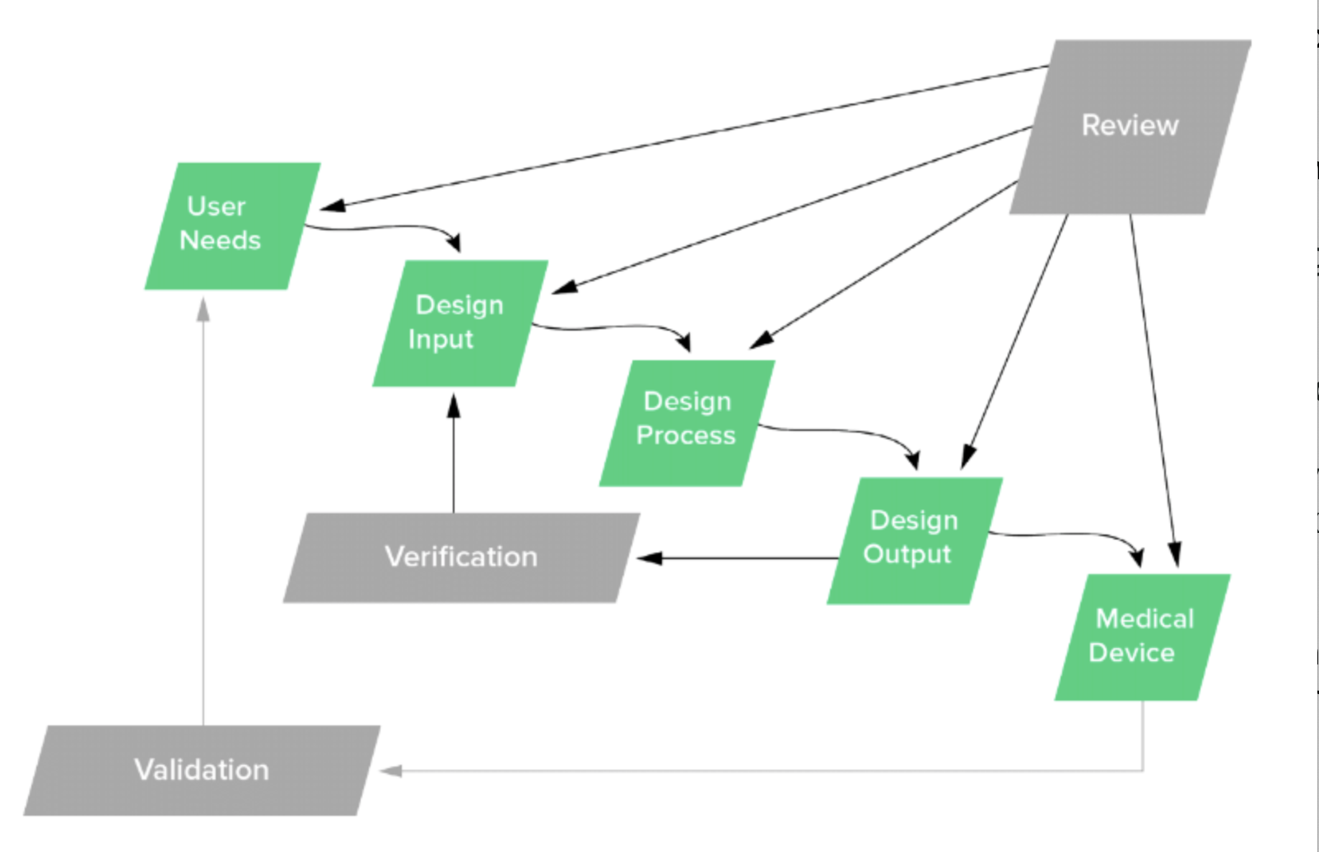
Objective: Rapidly Design, Develop & Manufacture a Ventilator at Ethiopian Airlines by leveraging M.I.T open source design and predicate device, Spiro Wave Ventilator.
Product Development Process Phases | Deliverables | Description | Status | Assigned To:
Phase 1: Planning | Design & Development Plan | • Identify Scope of Project, Design & Development stages and activities • Define responsibility for Design & Development activities • Define the resources required; this includes project team members, budget as well as vendors/personnel in Ethiopia to support manunfacturing efforts • Plans should evolve throughout Design & Development |  | Jerusalem Darkera
 | Product Description | Rapidly Manufactured and Low Cost Ventilators
 | Quality Plan | We will comply with ISO 13485, we will bootstrap Quality Management System - Our focus will be product development (low priority)???? |  | Jerusalem Darkera
 | Regulatory Plan | Regulatory agencies have defined rules that must be followed required such as ISO 13485 Design Controls. We need to comly with requirements of Ethiopian Food and Drug Administration.
 | Risk Managmenent Plan | Establish A Risk Management Framework – Identify, evaluate, analyze, assess, and mitigate potential product issues. • Define Your Risk Management Process • Establish Management Roles & Responsibilities • Document Your Risk Management Plan • Establish a Living Risk Management File |  | Dr. Araya /Jerusalem
 | Usability Engineering Plan | Human Factors, Usability testing, How many tests we will do? This will be covered in validation as well. Get input from Doctors. |  | Dr. Araya /Jerusalem
Phase 2: User Needs | User Requirements | • Define User Need Requirements • Define Unmet Clinical Needs that will be addressed • Define Intended Use (What is the general purpose of the medical device or its function?) • Define Indications for Use (Describe disease or condition the medical device will diagnose, treat, prevent, cure or mitigate including a description of target patient population) • Describe how your medical device is going to be used. • Establish framework of medical device product design. | Completed | Jerusalem Darkera
 | System Risk Analysis (Hazard & Source Identification) | Identify potential sources of harm associated with product. Known as hazards |  | Dr. Araya /Jerusalem
Phase 3: Design Input |  | • Define Product Specifications • Establish Product Roadmap • Define Performance Criteria, requirements, and features of • your medical device product. • Note, Design Inputs should not be subjective, abstract concepts. Design Inputs should be objective and measurable. • Demonstrate that the product you develop addresses user needs
 | System Risk Analysis (Hazard & Source Identification) | • Define, hazardous situations and foreseeable sequences of events • Estimate risk of each hazardous situation • Risk is the combination of severity of potential harm and probability of that harm occurring
Phase 4: Design Output | Product and Process Design Outputs (Drawings, Specifications, Work Instructions etc) | • Identify and establish design Outputs and verification methods • What sub-systems and components go into your medical device? How are these components put together? • Define materials, components, sub-assemblies, Engineering Drawings, specifications, manunfacturing instructions • Document how to assemble this product
 | System Risk Evaluation | Are the risk levels acceptable, is risk reduction required? Use risk acceptability matrix as outlined in ISO 14971
Phase 5: Design Verification & Validation | Design Verification Plan & Execution | Design Verification is proving we designed correctly. Although testing is not the only way to conduct Design Verification. We might also be able to employ inspection and analysis as acceptable methods for Design Verification. • Plan Design Verification before conducting tests, inspection, • analyses. • Determine the best ways to prove Design Outputs meet Design Inputs. • Complete your Design Verification activities, document results.
 | Risk Control | Use risk controls to reduce risks to acceptable levels following risk control diagram (Jerusalem will provide this)
 | Residual Risk Acceptance | Evaluate risk of the product in its entirely • Is the risk level acceptable? • Do the benefits outweigh the potential risks?
 | Regulatory Submission to Ethiopia FDA | Submit our documentation (Phase 1-6) to gain approval from FDA of Ethiopia, and work with regulatory agency for review
 | Manufacturing Plan | Finalize manufacturing plan in preparation to design transfer (process flow raw materials, inventory, to final assemby, testing and shipping)
 | Design Validation Plan and Execution | • Establish Design Validation Plan • Demonstrate that medical device meets user needs and intended use • Revisist user needs to demonstrate user needs are met • End users should be involved with design validation (doctors, nurses etc) • Document evaluation of medical device - user need should be met at this point.
 | Risk Management Report | Carry out a risk management review and prepare a risk management report before sending our medical device to manufacturing. Prepare a report
Phase 6: Design Transfer | Obtain Regulatory Clearance (as necessary) | Provide our documentation (Phase 1-5) to gain approval from FDA of Ethiopia, and work with regulatory agency to gain approval
 | Transfer to Manufacturing | Completing Design Transfer signifies your medical device is ready to exit product development and officially enter into production. This is significant because up until this point the “control” of the medical device has been the responsibility of the project team. Once Design Transfer occurs, the control shifts to production resources.
 | Production and Post-Production Risk Management | Internal Audits, CAPAs, complaints, customer feedback and non-confirming material all feed into the risk management process - which is a total product lifecycle process.
 | Revisied Risk Management Report

